Sheet1
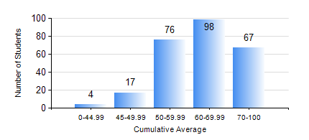
 |  |  | KWAME NKRUMAH UNIVERSITY OF SCIENCE AND TECHNOLOGY, KUMASI Department of Civil Engineering

 |  |  | BSC. CIVIL ENG.

 |  |  | COMPREHENSIVE RECORD OF EXAMINATION RESULTS

 |  |  | RESULTS OF YEAR 2 SECOND SEMESTER, 2023/2024 ACADEMIC YEAR

 | Sn | Course Code |  | Course Name | Credit Hours | Min. Mark | Max. Mark | Avg. Mark | Std. Dev. | No. Passed | No. Trailed | No. (Df) | No. (I) | No. (I*) | No. Tagged(I,I*,Df) | Total
 | 0. |  |  |  |  |  |  | 0 | 0 | 0 | 0 | 0 | 0 | 0 | 0 | 23
 | 1. | CE 256 |  | FLUID MECHANICS | 3 | 0 | 94 | 65 | 16.03 | 225 | 10 | 0 | 4 | 0 | 4 | 239
 | 2. | CE 258 |  | STRUCTURAL ANALYSIS | 3 | 15 | 95 | 62 | 15.92 | 226 | 10 | 0 | 3 | 0 | 3 | 239
 | 3. | CE 260 |  | SOIL AND ROCK MECHANICS | 2 | 8 | 94 | 61 | 16.37 | 225 | 12 | 0 | 2 | 0 | 2 | 239
 | 4. | CE 262 |  | SOIL AND ROCKS MECHANICS LABORATORY | 1 | 49 | 85 | 73 | 6.05 | 236 | 0 | 3 | 0 | 0 | 3 | 239
 | 5. | CE 264 |  | INTRO TO ENVIRONMENTAL ENG. | 2 | 19 | 82 | 54 | 10.32 | 232 | 6 | 0 | 1 | 0 | 1 | 239
 | 6. | CE 272 |  | PRINCIPLE OF DESIGN | 2 | 12 | 86 | 65 | 7.45 | 238 | 1 | 0 | 0 | 0 | 0 | 239
 | 7. | GE 282 |  | LARGE SCALE SURVEYING | 4 | 15 | 92 | 58 | 14.51 | 229 | 6 | 0 | 4 | 0 | 4 | 239
 | 8. | MATHS 252 |  | CALCULUS WITH SEVERAL VARIABLES | 4 | 20 | 80 | 56 | 11.02 | 225 | 14 | 0 | 0 | 0 | 0 | 239

